AM Techniques
Types of Additive Manufacturing | Acronym | Category | Raw Material Type (Solid/Liquid) | Material List | Efficiency (%) | Post-Processing | Ref 1 | Ref 2 | Ref 3
Stereolithography | SLA | VAT Polymerization | Liquid | UV-curable photopolymer resin | 50 - 90 | Isopropyl alcohol (IPA), Ethanol
Digital Light Process | DLP | VAT Polymerization | Liquid | UV-curable photopolymer resin | 50 | Isopropyl alcohol (IPA), Ethanol | https://www.sciencedirect.com/topics/engineering/digital-light-processing
Carbon® Digital Light Synthesis | DLS | VAT Polymerization | Liquid | UV-curable photopolymer resin
Liquid-Crystal Display (Masked SLA) | LCD | VAT Polymerization | Liquid | UV-curable photopolymer resin |  | Isopropyl alcohol (IPA), Ethanol
Lithography-Based Ceramic Manufacturing | LCM | VAT Polymerization | Solid | Ceramics (Zirconia, Alumina, Silicon Nitride, Fused Silica, Hydroxyapatite) |  |  | https://www.3dprintingmedia.network/additive-manufacturing/am-technologies/what-is-lcm-technology/ | https://admateceurope.com/admaflex300
Lithography-Based Metal Manufacturing | LMM | VAT Polymerization | Solid | Metal (Stainless Steel 316L, Stainless Steel 17-4 PH, Inconel 625, Copper) |  |  | https://admateceurope.com/admaflex300
Selective Laser Sintering | SLS | Powder Bed Fusion | Solid | Plastic (Nylon) | 44 - 50 | Duster, sand blasting, compressed air | https://www.twi-global.com/technical-knowledge/faqs/what-is-powder-bed-fusion | Kellens, K., Renaldi, R., Dewulf, W., Kruth, J., & Duflou, J. R. (2014). Environmental impact modeling of selective laser sintering processes. Rapid Prototyping Journal, 20(6), 459–470. doi:10.1108/rpj-02-2013-0018 | https://doi.org/10.1016/j.procir.2016.11.153
Direct Metal Laser Sintering | DMLS | Powder Bed Fusion | Solid | Metal (Stainless Steel, Titanium, Aluminum, Cobalt Chrome, Steel) |  |  | https://www.twi-global.com/technical-knowledge/faqs/what-is-powder-bed-fusion
Laser Metal Fusion | LMF | Powder Bed Fusion | Solid | Metal (Copper, Stainless Steel, Titanium, Aluminum, Cobalt Chrome, Steel) |  |  | https://www.3deo.co/manufacturing/intro-to-metal-3d-printing-processes-powder-bed-fusion-dmls-sls-slm-lmf-dmp-ebm/ | https://www.trumpf.com/en_US/solutions/applications/additive-manufacturing/laser-metal-fusion/ | https://www.researchgate.net/publication/336119138_Powder_based_additive_manufacturing_methods_LMFLMD_-_requirements_comparison_and_applications
Laser Powder Bed Fusion | LPBF | Powder Bed Fusion | Solid | Metal (Aluminum, Cobalt chrome, Copper, Nickel, Stainless Steel, Titanium, Precious Metals) |  |  | https://all3dp.com/1/selective-laser-melting-guide/
Laser Beam Melting | LBM | Powder Bed Fusion | Solid | Metal (Steels, Coppy, Magnesium, Nickel, Titanium, Aluminum, Gold, Silver, Platinum based alloys) |  |  | https://ris.utwente.nl/ws/portalfiles/portal/13070547/Powder_Characterization_conference_paper.pdf
Selective Laser Melting | SLM | Powder Bed Fusion | Solid | Metal (Stainless Steel, Titanium, Aluminum, Cobalt Chrome, Steel) | 2 - 20% |  | https://www.twi-global.com/technical-knowledge/faqs/what-is-powder-bed-fusion | https://doi.org/10.1108/EC-03-2019-0106 | https://doi.org/10.2351/1.5040603
Selective Heat Sintering | SHS | Powder Bed Fusion | Solid | Plastic (Nylon) |  |  | https://www.twi-global.com/technical-knowledge/faqs/what-is-powder-bed-fusion
Selective Absorption Fusion | SAF | Powder Bed Fusion | Solid | Plastic (powder) |  |  | https://trimech.com/blog/benefits-of-saf-powder-bed-fusion-technology
Electron Beam Melting | EBM | Powder Bed Fusion | Solid | Metal (Titanium, Cobalt Chrome, Stainless Steel, Aluminum, and Copper) | 13 - 46 |  | https://www.twi-global.com/technical-knowledge/faqs/what-is-powder-bed-fusion
Other Powder Bed Fusion |  | Powder Bed Fusion | Solid | Metal, Plastic
Ambient Reactive Extrusion | ARE | Material Extrusion | Liquid | Plastic (liquid reactive polymer) |  |  | https://www.osti.gov/pages/servlets/purl/1456817
Amburg Plastic Freeforming | APF | Material Extrusion | Solid | Plastic granules, PE, PLA, PP, ABS, PMMA, PC/ABS, TPA, TPC, TPU, TPV, PEEK, PPS, PEEK, PEAK, PAI, PEI, etc. |  |  | https://www.arburg.com/en/products-and-services/additive-manufacturing/the-apf-process/
Fused Deposition Modeling | FDM | Material Extrusion | Solid | Plastic (ABS, Nylon, PC, AB) | 99
Liquid Deposition Modeling | LDM | Material Extrusion | Solid | Ceramics (Alumina, Zirconium, porcelain, Clay), Wood |  |  | https://www.3dwasp.com/en/delta-3d-printer-delta-wasp-2040-pro/ | https://www.3dprintingmedia.network/additive-manufacturing/am-technologies/what-is-liquid-deposition-modeling/#:~:text=What%20is%20Liquid%20Deposition%20Modeling,printers%20on%20the%20market%20today. | https://www.researchgate.net/publication/321657349_Liquid_Deposition_Modeling_a_promising_approach_for_3D_printing_of_wood
Fused Filament Fabrication | FFF | Material Extrusion | Solid | Plastic (ABS, Nylon, PC, AB), Ceramics (silicon carbide, alumina, zirconia), Metals (Copper, Titanium, SS) | 99 |  | https://3dceram.com/fff-by-3dceram/
Fused Granulate Fabrication | FGF | Material Extrusion | Solid | Plastic (Pellets) |  |  | https://juggerbot3d.com/fused-granulate-fabrication/#:~:text=Fused%20granulate%20fabrication%20(FGF)%20is,or%20%E2%80%9CPellet%203D%20Printing%E2%80%9D.
Pellet Additive Manufacturing | PAM | Material Extrusion | Solid | Plastic Pellets |  |  | https://www.aniwaa.com/guide/3d-printers/guide-to-pellet-additive-manufacturing/#:~:text=Pellet%20additive%20manufacturing%20or%20pellet,as%20feedstock%20instead%20of%20filament. | https://www.pollen.am/pam_series_mc/#specifications
Direct Ink Writing | DIW | Material Extrusion | Solid | Ceramic (monolithic and composites), plastic, metal |  |  | https://doi.org/10.1016/j.compositesb.2021.109249
MELD® | MELD | Material Extrusion | Solid | Metal (Al-SiC, Al-Fe, Al-W, Al-Mo, Cu-Tungsten, Cu-Tantalum, metal solid/powder) |  |  | https://www.meldmanufacturing.com/technology-overview/
Other Material Extrusion |  | Material Extrusion | Solid |  | 72 - 96 |  | https://www.lpfrg.com/wp-content/uploads/2019/10/Bolt-Pro-2019-Brochure.pdf
Metal Binder Jetting | MBJ | Binder Jetting | Solid | Metals: Copper, Stainless Steel, Plastics: ABS, PA, PC, Ceramics: Glass |  |  | https://www.poral.org/en/content/44-explanation-of-metal-binder-jetting-mbj | https://digitalmetal.tech/digital-metal-first-in-the-world-to-offer-pure-copper-as-printing-material-to-its-market-leading-high-precision-metal-binder-jetting-system/
Multi-Jet Fusion | MJF | Binder Jetting | Solid | Metals: Stainless Steel, Plastics: ABS, PA, PC, Ceramics: Glass | 50 - 86 |  | https://xometry.eu/en/multi-jet-fusion-mjf-3d-printing-technology-overview/
NanoParticle Jetting | NPJ | Material Jetting | Solid | Metal (316L Stainless steel), Ceramic (Zirconia, alumina) |  | Waterbath, Sintering in oven | https://www.additivemanufacturing.media/articles/am-101-nanoparticle-jetting-npj | https://www.xjet3d.com/wp-content/uploads/2022/04/Xjet_Marketing_brochure-2022-3.pdf
Thermal Inkjet Printing | TIP | Material Jetting | Liquid | Photopolymers, Inks (food, cultured meat, binding agents, fusing agents) | 50 - 60 |  | https://abcnews.go.com/Technology/PCWorld/story?id=3283941#:~:text=%E2%80%94%20%2D%2D%20As%20much,to%20research%20commissioned%20by%20Epson.
Polyjet | PolyJet | Material Jetting | Liquid | Plastics: PP, HDPE, PS, PMMA, PC, ABS, HIPS, EDP
Other Material Jetting |  | Material Jetting | Solid/Liquid | Metal, Plastic, Composite
Composite-Based Additive Manufacturing | CBAM | Sheet Lamination | Solid | Plastic (Thermoplastics: Standard, Engineering, High-performance),Fibers (Carbon, Glass) |  |  | https://www.aniwaa.com/product/3d-printers/impossible-objects-cbam-2/ | https://www.impossible-objects.com/cbam-printer
Ultrasonic Additive Manufacturing | UAM | Sheet Lamination | Solid | Paper, plastic, sheet metals |  | Heat treatment (hot isostatic pressing) | https://accelconf.web.cern.ch/medsi2020/papers/tupc06.pdf
Selective Lamination Composite Object Manufacturing | SLCOM | Sheet Lamination | Solid | Plastic (Nylon, PEEK, PEKK, PC), Fiber (Glass, Carbon, women aramid) |  |  | https://www.makepartsfast.com/selective-deposition-lamination/#:~:text=Selective%20Lamination%20Composite%20Object%20Manufacturing,fabric%20sheets%20from%20a%20roll.
Selective Deposition Lamination | SDL | Sheet Lamination | Solid | Paper |  |  | https://engineeringproductdesign.com/knowledge-base/sheet-lamination/ | http://www.ijasret.com/VolumeArticles/FullTextPDF/371_ijasret85854.pdf
Laminated Object Manufacturing | LOM | Sheet Lamination | Solid | Paper, plastic, sheet metals |  | Densification | https://doi.org/10.1016/S1359-835X(98)00088-8 | https://doi.org/10.1016/S0924-0136(03)00690-3
Electrophoretic Deposition | EPD | Sheet Lamination | Solid | Metal, Carbon nanotubes (CNT), Ceramics |  |  | https://www.sciencedirect.com/science/article/pii/B9780444531223500076 | https://www.sciencedirect.com/topics/chemistry/electrophoretic-deposition
Other Sheet Lamination |  | Sheet Lamination | Solid |  | 4 - 10%
Other Direct Energy Deposition |  | Direct Energy Deposition (DED) | Solid | Metal
Direct Metal Deposition | DMD | Direct Energy Deposition (DED) | Solid | Metal (Cobalt Chrome, Titanium)
Laser-Engineered Net Shaping | LENS | Direct Energy Deposition (DED) | Solid | Metal (Cobalt Chrome, Titanium)
Laser Cladding |  | Direct Energy Deposition (DED) | Solid | Metal (Cobalt Chrome, Titanium)
Laser Metal Deposition | LMD | Direct Energy Deposition (DED) | Solid | Metal (Cobalt Chrome, Titanium)
Cold Spray Additive Manufacturing | CSAM | Direct Energy Deposition (DED) | Solid | Metal, Plastic | 2 - 95% |  | https://scholar.google.com/citations?user=uXBIwDsAAAAJ&hl=en | https://digital.library.unt.edu/ark:/67531/metadc663892/m2/1/high_res_d/1951.pdf
Direct Metal Tooling® | DMT | Direct Energy Deposition (DED) | Solid | Metal (Fe, Ti, Ni, Co, Cu-based Alloys) |  |  | http://www.insstek.com/content/dmt_tech | Direct Metal Tooling® | DMT | Direct Energy Deposition (DED) | Solid | Metal (Fe, Ti, Ni, Co, Cu-based Alloys) | http://www.insstek.com/content/dmt_tech | Direct Metal Tooling® | DMT | Direct Energy Deposition (DED) | Solid | Metal (Fe, Ti, Ni, Co, Cu-based Alloys) | http://www.insstek.com/content/dmt_tech | Direct Metal Tooling® | DMT | Direct Energy Deposition (DED) | Solid | Metal (Fe, Ti, Ni, Co, Cu-based Alloys) | http://www.insstek.com/content/dmt_tech | Direct Metal Tooling® | DMT | Direct Energy Deposition (DED) | Solid | Metal (Fe, Ti, Ni, Co, Cu-based Alloys) | http://www.insstek.com/content/dmt_tech | Direct Metal Tooling® | DMT | Direct Energy Deposition (DED) | Solid | Metal (Fe, Ti, Ni, Co, Cu-based Alloys) | http://www.insstek.com/content/dmt_tech | Direct Metal Tooling® | DMT | Direct Energy Deposition (DED) | Solid | Metal (Fe, Ti, Ni, Co, Cu-based Alloys) | http://www.insstek.com/content/dmt_tech | Direct Metal Tooling® | DMT | Direct Energy Deposition (DED) | Solid | Metal (Fe, Ti, Ni, Co, Cu-based Alloys) | http://www.insstek.com/content/dmt_tech | Direct Metal Tooling® | DMT | Direct Energy Deposition (DED) | Solid | Metal (Fe, Ti, Ni, Co, Cu-based Alloys) | http://www.insstek.com/content/dmt_tech | Direct Metal Tooling® | DMT | Direct Energy Deposition (DED) | Solid | Metal (Fe, Ti, Ni, Co, Cu-based Alloys) | http://www.insstek.com/content/dmt_tech | Direct Metal Tooling® | DMT | Direct Energy Deposition (DED) | Solid | Metal (Fe, Ti, Ni, Co, Cu-based Alloys) | http://www.insstek.com/content/dmt_tech | Direct Metal Tooling® | DMT | Direct Energy Deposition (DED) | Solid | Metal (Fe, Ti, Ni, Co, Cu-based Alloys) | http://www.insstek.com/content/dmt_tech | Direct Metal Tooling® | DMT | Direct Energy Deposition (DED) | Solid | Metal (Fe, Ti, Ni, Co, Cu-based Alloys) | http://www.insstek.com/content/dmt_tech | Direct Metal Tooling® | DMT | Direct Energy Deposition (DED) | Solid | Metal (Fe, Ti, Ni, Co, Cu-based Alloys) | http://www.insstek.com/content/dmt_tech | Direct Metal Tooling® | DMT | Direct Energy Deposition (DED) | Solid | Metal (Fe, Ti, Ni, Co, Cu-based Alloys) | http://www.insstek.com/content/dmt_tech | Direct Metal Tooling® | DMT | Direct Energy Deposition (DED) | Solid | Metal (Fe, Ti, Ni, Co, Cu-based Alloys) | http://www.insstek.com/content/dmt_tech | Direct Metal Tooling® | DMT | Direct Energy Deposition (DED) | Solid | Metal (Fe, Ti, Ni, Co, Cu-based Alloys) | http://www.insstek.com/content/dmt_tech | Direct Metal Tooling® | DMT | Direct Energy Deposition (DED) | Solid | Metal (Fe, Ti, Ni, Co, Cu-based Alloys) | http://www.insstek.com/content/dmt_tech | Direct Metal Tooling® | DMT | Direct Energy Deposition (DED) | Solid | Metal (Fe, Ti, Ni, Co, Cu-based Alloys) | http://www.insstek.com/content/dmt_tech | Direct Metal Tooling® | DMT | Direct Energy Deposition (DED) | Solid | Metal (Fe, Ti, Ni, Co, Cu-based Alloys) | http://www.insstek.com/content/dmt_tech | Direct Metal Tooling® | DMT | Direct Energy Deposition (DED) | Solid | Metal (Fe, Ti, Ni, Co, Cu-based Alloys) | http://www.insstek.com/content/dmt_tech | Direct Metal Tooling® | DMT | Direct Energy Deposition (DED) | Solid | Metal (Fe, Ti, Ni, Co, Cu-based Alloys) | http://www.insstek.com/content/dmt_tech | Direct Metal Tooling® | DMT | Direct Energy Deposition (DED) | Solid | Metal (Fe, Ti, Ni, Co, Cu-based Alloys) | http://www.insstek.com/content/dmt_tech | Direct Metal Tooling® | DMT | Direct Energy Deposition (DED) | Solid | Metal (Fe, Ti, Ni, Co, Cu-based Alloys) | http://www.insstek.com/content/dmt_tech | Direct Metal Tooling® | DMT | Direct Energy Deposition (DED) | Solid | Metal (Fe, Ti, Ni, Co, Cu-based Alloys) | http://www.insstek.com/content/dmt_tech | Direct Metal Tooling® | DMT | Direct Energy Deposition (DED) | Solid | Metal (Fe, Ti, Ni, Co, Cu-based Alloys) | http://www.insstek.com/content/dmt_tech | Direct Metal Tooling® | DMT | Direct Energy Deposition (DED) | Solid | Metal (Fe, Ti, Ni, Co, Cu-based Alloys) | http://www.insstek.com/content/dmt_tech | Direct Metal Tooling® | DMT | Direct Energy Deposition (DED) | Solid | Metal (Fe, Ti, Ni, Co, Cu-based Alloys) | http://www.insstek.com/content/dmt_tech | Direct Metal Tooling® | DMT | Direct Energy Deposition (DED) | Solid | Metal (Fe, Ti, Ni, Co, Cu-based Alloys) | http://www.insstek.com/content/dmt_tech | Direct Metal Tooling® | DMT | Direct Energy Deposition (DED) | Solid | Metal (Fe, Ti, Ni, Co, Cu-based Alloys) | http://www.insstek.com/content/dmt_tech | Direct Metal Tooling® | DMT | Direct Energy Deposition (DED) | Solid | Metal (Fe, Ti, Ni, Co, Cu-based Alloys) | http://www.insstek.com/content/dmt_tech | Direct Metal Tooling® | DMT | Direct Energy Deposition (DED) | Solid | Metal (Fe, Ti, Ni, Co, Cu-based Alloys) | http://www.insstek.com/content/dmt_tech
Electron Beam Additive Manufacturing | EBAM® | Direct Energy Deposition (DED) | Solid | Metal (Titanium, Inconel 600, 625, 718, Nickel and Copper Nickel Alloys, Stainless Steel) |  | Heat treatment, machining, inspection | https://www.sciaky.com/additive-manufacturing/what-is-ded-3d-printing
Rapid Plasma Deposition | RPD | Direct Energy Deposition (DED) | Solid | Metal (Titanium wire) |  |  | https://www.businesswire.com/news/home/20190617005184/en/Norsk-Titanium-Announces-Larger-Capacity-Rapid-Plasma-Deposition%E2%84%A2-RPD%E2%84%A2-Machine | https://www.norsktitanium.com/technology#process
Wire Arc Additive Manufacturing | WAAM | Direct Energy Deposition (DED) | Solid | Metal | >99% | Heat treatment, polishing, painting | https://www.ramlab.com/resources/waam-101/

CREATING A GENERIC ADDITIVE MANUFACTURING WASTE STREAM
Major Tasks
- Identify and categorize AM Processes (23 so far)
- Process Efficiencies of each AM Processes (Excluding failure rate)
- Post-processing (Washing, Machining, Heat Treatment, Cleaning, ...)
Additional Questions
- Boundary of analysis? US Only?
- Estimated number of AM products synthesized for a given year?
- Total annual waste generated from AM in general?
- Usage rate of each method? If unavailable, try the 7 categories instead.
- Data on the amount of waste generated for each method? (rare)
- What kind of material can be found in the waste?
- Any EoL or manufacturing emission data?
Next Steps (Generic Scenario Analysis on End-of-Life of Additive Manufacturing Techniques)
- Illustrate the connection between manufacturing, usage, transportation, and the EoL stages
- Facility-level EoL operation information
- Identify Releases, Emissions, Occupational Hazards

AM End-of-Life Diagram
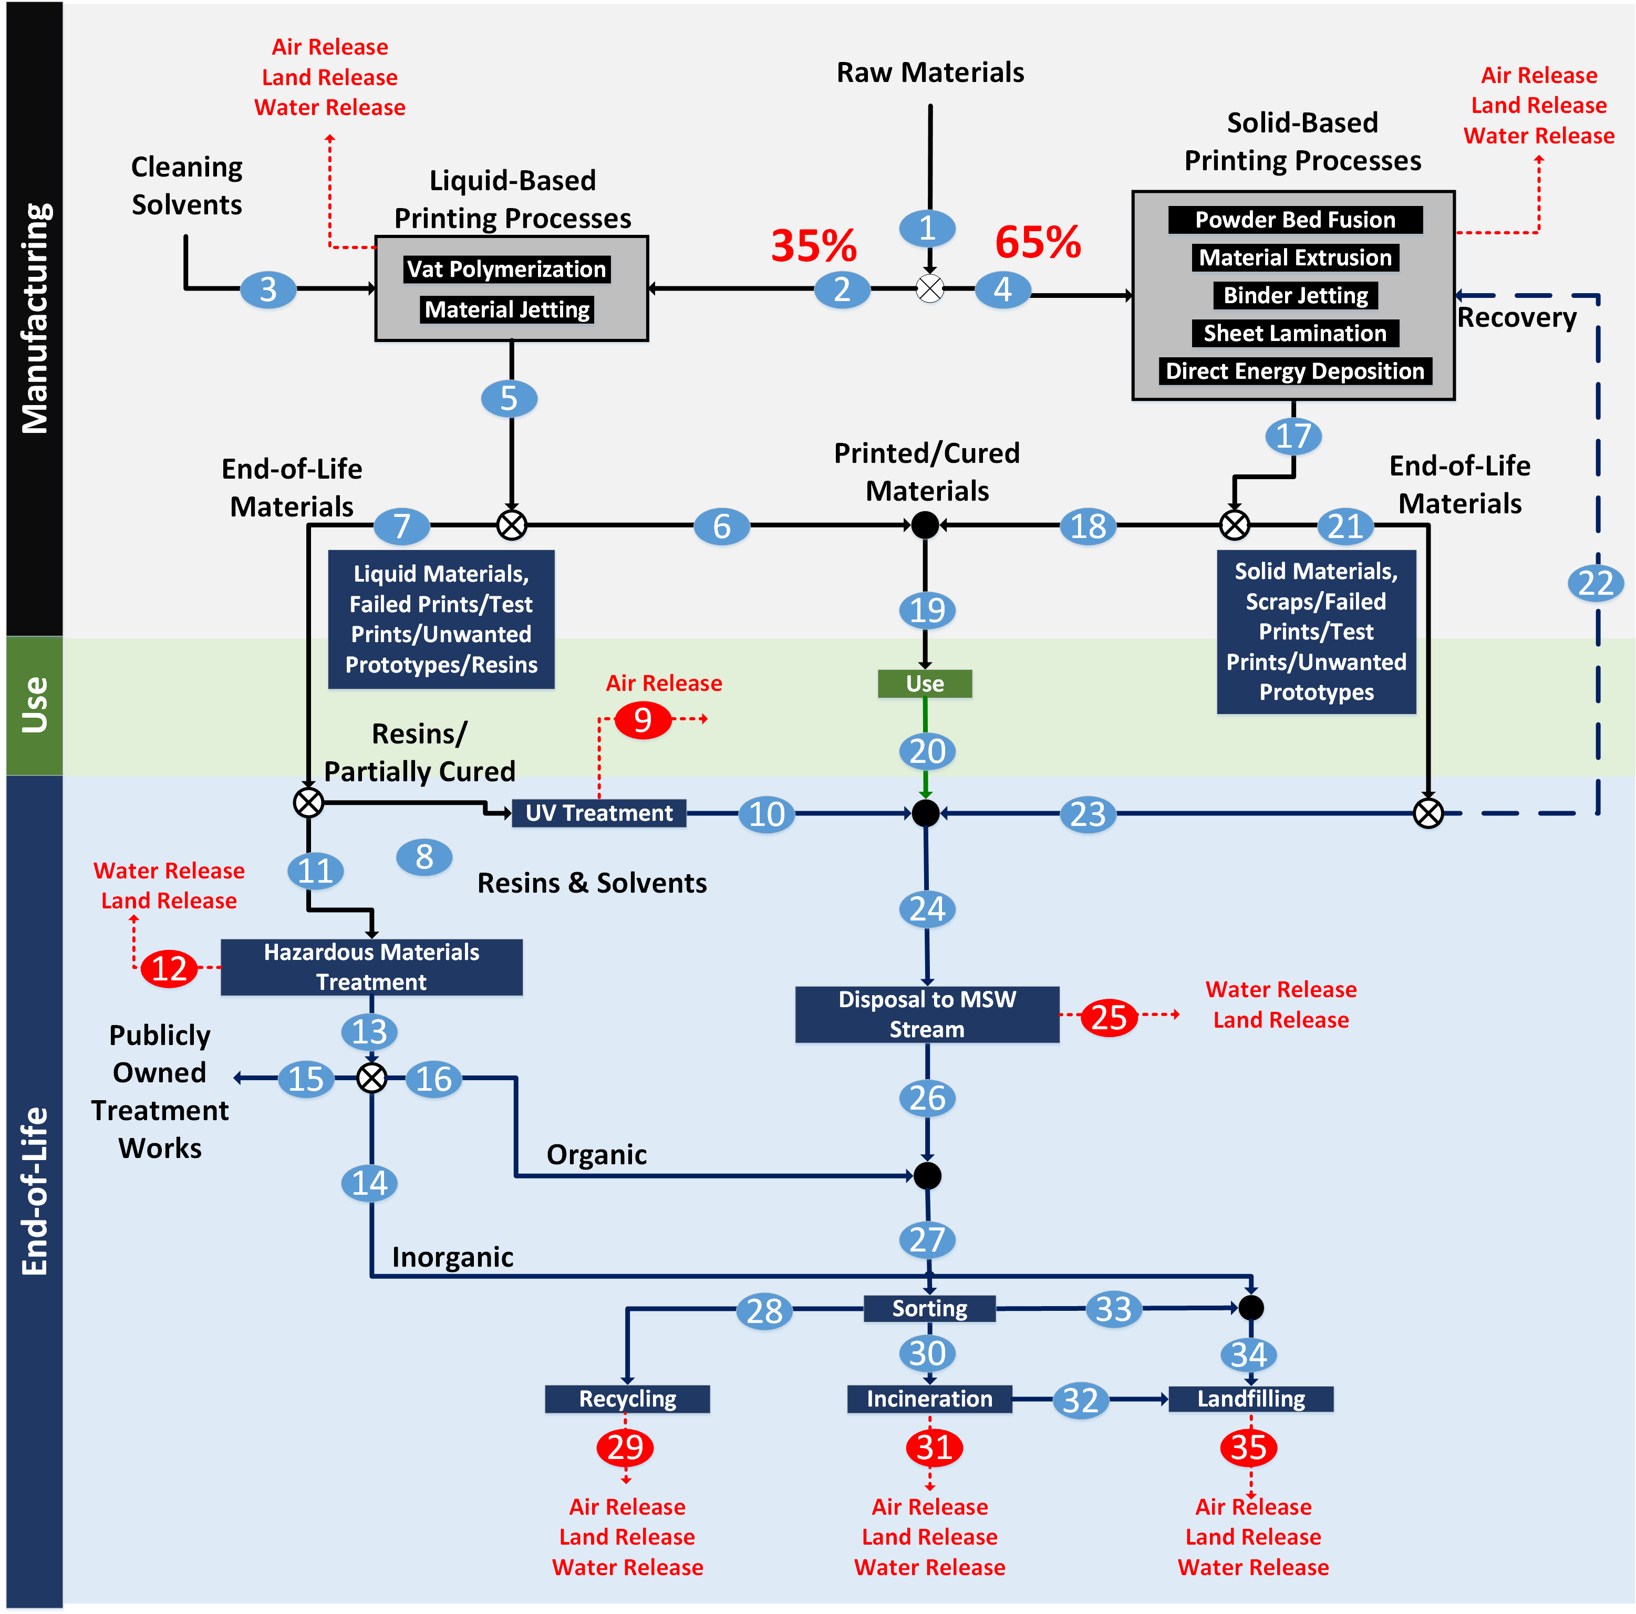
Total 3D Printers: 870,000 units (Wohlers Associate Inc)
Typical Consumption: 12 kg materials/(operator*yr) (Filamentive Research)
Waste rate: 1 - 40% (Most common is 10%)

EoL Material Flow Analysis
Generic Exposure Assessment of End-of-Life Material Management in Additive Manufacturing
Material Flow Analysis
Parameters | Value | Unit |  | Reference ID
Total 3D Printers | 870000 | units |  | 1
Typical Material Consumption | 12 | kg/operator/yr |  | 2
Waste Rate (1-40%) | 10 | % |  | 2
Liquid Resin Process Use Rate (1 - 100%) | 35 | % |  | 3
Solid Resin Process Use Rate (100 - B5) | 65 | % |  | 3
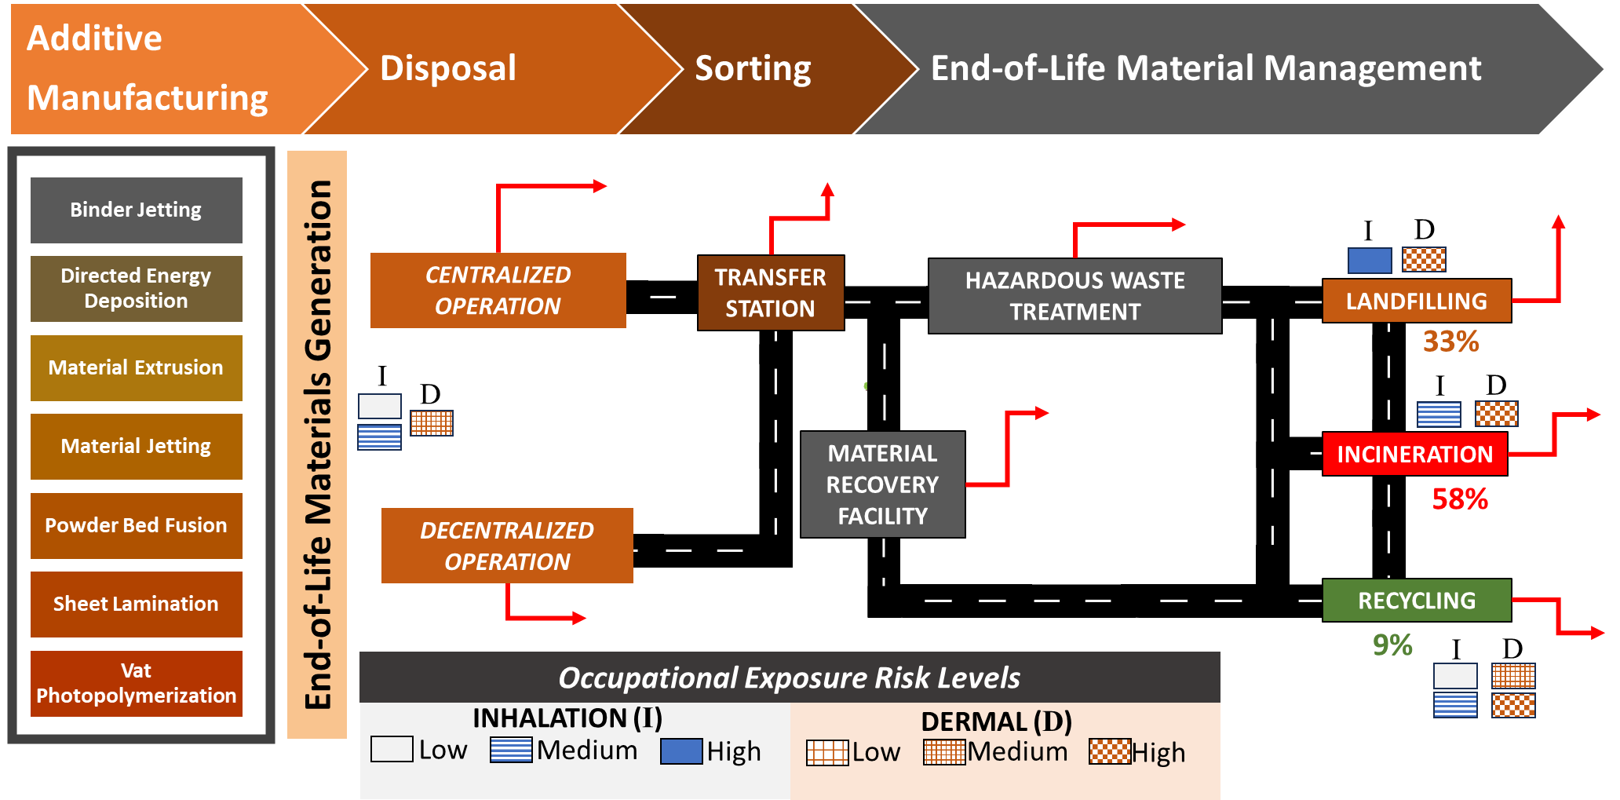
Failed Parts Waste Rate (Solid/Liquid) | 5 | % |  | 4
Failed Parts Liquid Resin Contamination | 5 | % |  | 4
Inorganic Filler in Liq Resins (0 - 15%) | 5 | % |  | 5
Wash Solvent Consumption Rate (kg/2 weeks/operator) | 3 | kg/2 weeks/operator) |  | 6
Wash Solvent Consumed Ratio to Materials Used | 6.5 |  |  | Calculated
Resin and Filler waste in Liq/Solid Resin Process | 5 | % |  | Assumption
UV Treatment VOC post-cure Releases (1 - 360 μg/day) | 360 | μg/day |  | 7
Wastewater Treatments Plants Inorganic Removal Efficiency | 90 | % |  | 8
Composition of Recycled Materials (Plastics) | 0.209 |  |  | 11
Composition of Recycled Materials (Metals) | 0.586 |  |  | 11
Composition of Recycled Materials (Glass) | 0.205 |  |  | 11
Litter Rate of Materials Discarded to MSW | 2 | % |  | 9, 10
MSW Recycled (Of total MSW) | 23.6 | % |  | 11
MSW Incinerated (Of total MSW) | 11.8 | % |  | 11
MSW Landfilled (Of total MSW) | 50 | % |  | 11
MSW Recycled Normalized % | 27.634660422 | % |  | Calculated
MSW Incinerated Normalized % | 13.817330211 | % |  | Calculated
MSW Landfilled Normalized % | 58.548009368 | % |  | Calculated
MSW Recycling/Transportation Spill Rate | 1 | % |  | 12
Ash Generated (15 - 25% wt of MSW) | 20 | % |  | 13
Fly Ash Generated (10 - 20% wt of ash) | 15 | % |  | 13
> Pollution Control - Fly Ash Removed (95 - 99.5% efficiency) | 95 | % |  | 14, 15
Bottom Ash Generated (80 - 90% wt of ash) | 85 | % |  | 13
MSW Landfilling Mass Release | 10 | % |  | 12
MSW Leachate Release (0.1 - 2%) | 2 | % |  | 16
MSW Landfill Gas Release (8 - 54%) | 11 | % |  | 16
 |  |  |  |  |  |  |  |  | Air Release |  |  | From transportation |  | Clifford et al 1986, Golub and Piekutin 2020 |  |  |  |  |  |  |  | Negligible |  |  |  |  |  |  | Solid mass spill |  | Air/Land (Spill) Release |  |  |  | Land/Water Release
Stream | 1 | 2 | 3 | 4 | 5 | 6 | 7 | 8 | 9 | 10 | 11 | 12 | 13 | 14 | 15 | 16 | 17 | 18 | 19 | 20 | 21 | 22 | 23 | 24 | 25 | 26 | 27 | 28 | 29 | 30 | 31 | 32 | 33 | 34 | 35
 | kg/yr | kg/yr | kg/yr | kg/yr | kg/yr | kg/yr | kg/yr | kg/yr | kg/yr | kg/yr | kg/yr | kg/yr | kg/yr | kg/yr | kg/yr | kg/yr | kg/yr | kg/yr | kg/yr | kg/yr | kg/yr | kg/yr | kg/yr | kg/yr | kg/yr | kg/yr | kg/yr | kg/yr | kg/yr | kg/yr | kg/yr | kg/yr | kg/yr | kg/yr | kg/yr
UV Curable Resins (liquid) | 3471300 | 3471300 | 0 | 0 | 173565 | 0 | 173565 | 8678 | 1.140 | 8677 | 164887 | 1649 | 163238 | 0 | 0 | 163238 | 0 | 0 | 0 | 0 | 0 | 0 | 0 | 8677 | 0 | 8677 | 171915 | 0 | 0 | 171915 | 1719 | 0 | 0 | 0 | 0
Inorganic Fillers | 182700 | 182700 | 0 | 0 | 9135 | 8222 | 914 | 46 | 0.000 | 46 | 868 | 9 | 859 | 773 | 0 | 86 | 0 | 0 | 0 | 0 | 0 | 0 | 0 | 46 | 0 | 46 | 132 | 0 | 0 | 132 | 1 | 130 | 0 | 773 | 90
Solvents (IPA, Dimethyl Ester) | 0 | 0 | 21435278 | 0 | 21435278 | 0 | 21435278 | 0 | 0.000 | 0 | 21435278 | 214353 | 21220925 | 0 | 0 | 21220925 | 0 | 0 | 0 | 0 | 0 | 0 | 0 | 0 | 0 | 0 | 21220925 | 0 | 0 | 21220925 | 212209 | 0 | 0 | 0 | 0
Solid Feedstocks (Metals, Plastics, Wood, Glasses, Papers, Ceramics) | 6786000 | 0 | 0 | 6786000 | 0 | 0 | 0 | 0 | 0.000 | 0 | 0 | 0 | 0 | 0 | 0 | 0 | 339300 | 0 | 0 | 0 | 339300 | 0 | 339300 | 339300 | 0 | 339300 | 339300 | 93764 | 938 | 46882 | 469 | 0 | 198653 | 198653 | 19865
Printed Products | 0 | 0 | 0 | 0 | 3297735 | 3297735 | 0 | 0 | 0.000 | 0 | 0 | 0 | 0 | 0 | 0 | 0 | 6107400 | 6107400 | 9405135 | 9405135 | 0 | 0 | 0 | 9405135 | 188103 | 9217032 | 9217032 | 2547096 | 25471 | 1273548 | 12735 | 0 | 5396389 | 5396389 | 539639
Scraps/Failed Prototypes/Supports | 0 | 0 | 0 | 0 | 173565 | 0 | 173565 | 173565 | 0.000 | 173565 | 0 | 0 | 0 | 0 | 0 | 0 | 339300 | 0 | 0 | 0 | 339300 | 0 | 339300 | 512865 | 10257 | 502608 | 502608 | 138894 | 1389 | 69447 | 694 | 0 | 294267 | 294267 | 29427
Fly Ash | 0 | 0 | 0 | 0 | 0 | 0 | 0 | 0 | 0.000 | 0 | 0 | 0 | 0 | 0 | 0 | 0 | 0 | 0 | 0 | 0 | 0 | 0 | 0 | 0 | 0 | 0 | 0 | 0 | 0 | 0 | 34174 | 649307 | 0 | 0 | 64931
Bottom Ash | 0 | 0 | 0 | 0 | 0 | 0 | 0 | 0 | 0.000 | 0 | 0 | 0 | 0 | 0 | 0 | 0 | 0 | 0 | 0 | 0 | 0 | 0 | 0 | 0 | 0 | 0 | 0 | 0 | 0 | 0 | 0 | 3873062 | 0 | 0 | 387306
Leachate | 0 | 0 | 0 | 0 | 0 | 0 | 0 | 0 | 0 | 0 | 0 | 0 | 0 | 0 | 0 | 0 | 0 | 0 | 0 | 0 | 0 | 0 | 0 | 0 | 0 | 0 | 0 | 0 | 0 | 0 | 0 | 0 | 0 | 0 | 208252
Landfill Gas | 0 | 0 | 0 | 0 | 0 | 0 | 0 | 0 | 0 | 0 | 0 | 0 | 0 | 0 | 0 | 0 | 0 | 0 | 0 | 0 | 0 | 0 | 0 | 0 | 0 | 0 | 0 | 0 | 0 | 0 | 0 | 0 | 0 | 0 | 1145384
Total (kg/yr) | 10440000 | 3654000 | 21435278 | 6786000 | 25089278 | 3305957 | 21783321 | 182289 | 1 | 182288 | 21601032 | 216010 | 21385022 | 773 | 0 | 21384249 | 6786000 | 6107400 | 9405135 | 9405135 | 678600 | 0 | 678600 | 10266023 | 198360 | 10067663 | 31451911 | 2779754 | 27798 | 22782848 | 262003 | 4522500 | 5889309 | 5890082 | 2394894
Total (million kg/yr) | 10.44 | 3.65 | 21.44 | 6.79 | 25.09 | 3.31 | 21.78 | 0.18 | 0.0000011 | 0.18 | 21.60 | 0.2160 | 21.39 | 0.00077 | 0.00 | 21.38 | 6.79 | 6.11 | 9.41 | 9.41 | 0.68 | 0.00 | 0.68 | 10.27 | 0.20 | 10.07 | 31.45 | 2.78 | 0.02780 | 22.78 | 0.26 | 4.52 | 5.89 | 5.89 | 2.39

Assumptions |  | PROCESS FLOW DIAGRAM
a) The mass flow looks strictly at the end-of-life stage, and we assume that there is no true accumulation; thus, Eventually, all products made get discarded. |  |  |  |  |  |  |  |  |  |  |  |  |  |  |  |  |  | Total EoL distribution to final EoL scenarios
b) Products produced from additive manufacturing are non-hazardous and do not contribute toward releases once fully cured. |  |  |  |  |  |  |  |  |  |  |  |  |  |  |  |  |  | Recycle | Incineration | Landfilling
c) Solid resin/Filaments are recycled by a special recycling center rather than through MSW, and a filament extruder handles these materials. Byrley et al. (2020) estimated that 1.7E9 - 3.5E11 particles are released/min of extrusion use (ABS and PLA) |  |  |  |  |  |  |  |  |  |  |  |  |  |  |  |  | Stream Number | 28 | 30 | 32 and 34 | Total EoL Materials Managed
d) While recycling filaments and failed parts through a filament extruder is possible, there is no established infrastructure to handle EoL recycling of these materials. Additionally, material management programs vary from region to region. It is possible to throw scraps into filament machines to recycle. However, solo AM users do not justify purchasing a filament extruder solely for this purpose. Therefore, recycling is assumed negligible. |  |  |  |  |  |  |  |  |  |  |  |  |  |  |  |  | Amount (million kg/yr) | 2.78 | 18.26 | 10.41 | 31.45
e) Solvents used during the post-processing of liquid-based AM processes are recyclable (up to 99%), but it is often not recycled in-house due to the processing costs. |  |  |  |  |  |  |  |  |  |  |  |  |  |  |  |  | Fraction of EoL materials managed | 0.08838 | 0.58057 | 0.33106 | 1.00000
f) Solvent washes post-processing for liquid-based AM processes are done twice to ensure sufficient uncured resin removal. |  |  |  |  |  |  |  |  |  |  |  |  |  |  |  |  | % of EoL materials managed | 9 | 58 | 33
g) Washing agent consumption may last up to 2 weeks per gallon (Frequency of replacement changes based on needs). This assumption leads to a “wash solvent consumed ratio to materials used” of 6.5 kg solvent/kg input
h) Packaging EoL materials are excluded from the analysis.
i) AM products and scraps are recycled, incinerated, and landfilled; liquid resins and solvents are not recycled in the final processing.
j) Incineration of plastic EoL material results in ash content equal to 1% of the original volume
k) Incinerator ash generated ranges between 15 - 25% wt. (20% avg) for MSW, with 15% of the total ash being fly ash and 85% being bottom ash
l) All UV Curable Resins are fully cured post-UV Treatment
m) 10% of materials sent to landfill ends up in the environment/ocean either through mismanagement or littering.
n) Hazardous EoL material treatment may have overlapped with MSW management. Stream 12 release is related to mass loss from transportation rather than hazardous EoL material treatment.

